VALENTINO SNEAKERS SS26
REPORT DATE
1/9/26

IMAGE | SKU | BRAND | SEASON | PRODUCT | COLOUR DESCRIPTION | GENDER | CATEGORY | SUB CATEGORY | WHS / COST PRICE | RETAIL PRICE | TOTAL COST | TOTAL RETAIL | Sizes / Available quantitites / Desired quantities
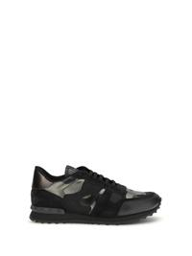 | 8Y2S0723NTA_E43 | VALENTINO GARAVANI | SS26 | Sneakers Rockrunner | NERO-DARK RUTENIO/NERO/NERO/NERO | UOMO | SCARPE | SNEAKERS | € 299.00 | € 690.00 | € 0.00 | € 0.00 | TOTAL QUANTITY | 40 | 41 | 41.5 | 42 | 42.5 | 43 | 44 | 45 | 46
 |  |  |  |  |  |  |  |  |  |  |  |  | 35 | 3 | 5 | 5 | 4 | 6 | 3 | 5 | 2 | 2
 |  |  |  |  |  |  |  |  |  |  |  |  | 0 | 0 | 0 | 0 | 0 | 0 | 0 | 0 | 0 | 0
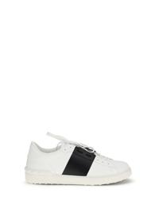 | 8Y2S0830BLU_A01 | VALENTINO GARAVANI | SS26 | Sneakers Open | BIANCO/NERO/BIANCO | UOMO | SCARPE | SNEAKERS | € 257.00 | € 590.00 | € 0.00 | € 0.00 | TOTAL QUANTITY | 39 | 39.5 | 40 | 40.5 | 41 | 41.5 | 42 | 42.5 | 43 | 44 | 45 | 46
 |  |  |  |  |  |  |  |  |  |  |  |  | 65 | 4 | 5 | 8 | 9 | 6 | 9 | 4 | 8 | 4 | 2 | 4 | 2
 |  |  |  |  |  |  |  |  |  |  |  |  | 0 | 0 | 0 | 0 | 0 | 0 | 0 | 0 | 0 | 0 | 0 | 0 | 0
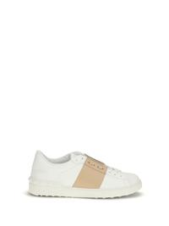 | 8Y2S0830BLU_DAH | VALENTINO GARAVANI | SS26 | Sneakers Open | BIANCO/SAHARA BEIGE/BIANCO | UOMO | SCARPE | SNEAKERS | € 257.00 | € 590.00 | € 0.00 | € 0.00 | TOTAL QUANTITY | 39 | 39.5 | 40 | 40.5 | 41 | 41.5 | 42 | 42.5 | 43 | 43.5 | 44 | 45 | 46
 |  |  |  |  |  |  |  |  |  |  |  |  | 32 | 2 | 2 | 3 | 3 | 3 | 3 | 3 | 3 | 3 | 2 | 2 | 2 | 1
 |  |  |  |  |  |  |  |  |  |  |  |  | 0 | 0 | 0 | 0 | 0 | 0 | 0 | 0 | 0 | 0 | 0 | 0 | 0 | 0
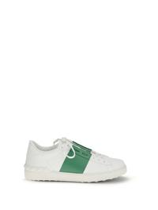 | 8Y2S0830BLU_DU2 | VALENTINO GARAVANI | SS26 | Sneakers Open | BIANCO/GREEN BRIAR/BIANCO | UOMO | SCARPE | SNEAKERS | € 257.00 | € 590.00 | € 0.00 | € 0.00 | TOTAL QUANTITY | 39 | 39.5 | 40 | 40.5 | 41 | 41.5 | 42 | 42.5 | 43 | 43.5 | 44 | 45 | 46
 |  |  |  |  |  |  |  |  |  |  |  |  | 32 | 2 | 2 | 3 | 3 | 3 | 3 | 3 | 3 | 3 | 2 | 2 | 2 | 1
 |  |  |  |  |  |  |  |  |  |  |  |  | 0 | 0 | 0 | 0 | 0 | 0 | 0 | 0 | 0 | 0 | 0 | 0 | 0 | 0
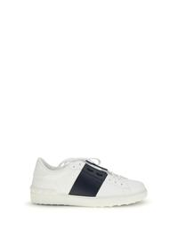 | 8Y2S0830BLU_M15 | VALENTINO GARAVANI | SS26 | Sneakers Open | BIANCO/MARINE/BIANCO | UOMO | SCARPE | SNEAKERS | € 257.00 | € 590.00 | € 0.00 | € 0.00 | TOTAL QUANTITY | 39 | 39.5 | 40 | 40.5 | 41 | 41.5 | 42 | 42.5 | 43 | 44 | 45 | 46
 |  |  |  |  |  |  |  |  |  |  |  |  | 84 | 5 | 5 | 9 | 9 | 9 | 9 | 9 | 9 | 9 | 5 | 4 | 2
 |  |  |  |  |  |  |  |  |  |  |  |  | 0 | 0 | 0 | 0 | 0 | 0 | 0 | 0 | 0 | 0 | 0 | 0 | 0
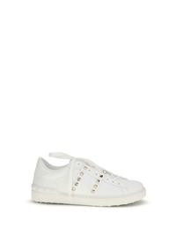 | 8Y2S0931BHS_0BO | VALENTINO GARAVANI | SS26 | Sneakers Rockstud Untitled | BIANCO/BIANCO | UOMO | SCARPE | SNEAKERS | € 299.00 | € 690.00 | € 0.00 | € 0.00 | TOTAL QUANTITY | 39 | 40 | 41 | 42 | 43 | 44 | 45 | 46
 |  |  |  |  |  |  |  |  |  |  |  |  | 41 | 5 | 6 | 6 | 6 | 6 | 6 | 3 | 3
 |  |  |  |  |  |  |  |  |  |  |  |  | 0 | 0 | 0 | 0 | 0 | 0 | 0 | 0 | 0
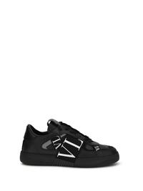 | 8Y2S0C58WRQ_0NO | VALENTINO GARAVANI | SS26 | Sneaker Low-Top Vl7N | NERO/NERO-BIA/NERO/NERO/NERO-NERO | UOMO | SCARPE | SNEAKERS | € 343.00 | € 790.00 | € 0.00 | € 0.00 | TOTAL QUANTITY | 39.5 | 41 | 41.5 | 42 | 42.5 | 43 | 43.5 | 44 | 45 | 46
 |  |  |  |  |  |  |  |  |  |  |  |  | 51 | 3 | 7 | 5 | 5 | 7 | 7 | 6 | 6 | 4 | 1
 |  |  |  |  |  |  |  |  |  |  |  |  | 0 | 0 | 0 | 0 | 0 | 0 | 0 | 0 | 0 | 0 | 0
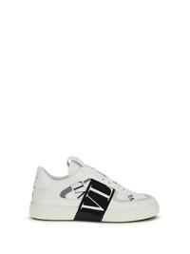 | 8Y2S0C58WRQ_24P | VALENTINO GARAVANI | SS26 | Sneaker Low-Top Vl7N | BIANCO/NERO-BIA/BIA/GHIACCIO/BIA-NE | UOMO | SCARPE | SNEAKERS | € 343.00 | € 790.00 | € 0.00 | € 0.00 | TOTAL QUANTITY | 39 | 39.5 | 41.5 | 42 | 42.5 | 43 | 43.5 | 44 | 45 | 46
 |  |  |  |  |  |  |  |  |  |  |  |  | 48 | 4 | 3 | 4 | 6 | 6 | 6 | 6 | 6 | 5 | 2
 |  |  |  |  |  |  |  |  |  |  |  |  | 0 | 0 | 0 | 0 | 0 | 0 | 0 | 0 | 0 | 0 | 0
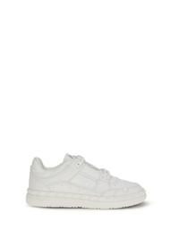 | 8Y2S0H43RDG_0BO | VALENTINO GARAVANI | SS26 | Sneakers Low Top Freedots | BIANCO/BIANCO/BIANCO/BIANCO | UOMO | SCARPE | SNEAKERS | € 326.00 | € 750.00 | € 0.00 | € 0.00 | TOTAL QUANTITY | 39 | 40 | 41 | 42 | 43 | 44 | 45
 |  |  |  |  |  |  |  |  |  |  |  |  | 16 | 2 | 2 | 2 | 3 | 2 | 3 | 2
 |  |  |  |  |  |  |  |  |  |  |  |  | 0 | 0 | 0 | 0 | 0 | 0 | 0 | 0
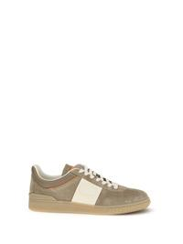 | 8Y2S0H77LAL_BSB | VALENTINO GARAVANI | SS26 | Sneakers Upvillage | DARK KHAKI/IVORY-PUMPKIN-DK KHAKI/IV/AM | UOMO | SCARPE | SNEAKERS | € 282.00 | € 650.00 | € 0.00 | € 0.00 | TOTAL QUANTITY | 40 | 40.5 | 41 | 41.5 | 42 | 42.5 | 43 | 43.5 | 44 | 45 | 46
 |  |  |  |  |  |  |  |  |  |  |  |  | 17 | 2 | 1 | 2 | 1 | 2 | 1 | 2 | 1 | 2 | 2 | 1
 |  |  |  |  |  |  |  |  |  |  |  |  | 0 | 0 | 0 | 0 | 0 | 0 | 0 | 0 | 0 | 0 | 0 | 0
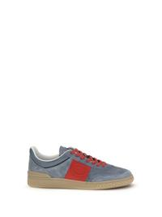 | 8Y2S0H77LAL_RJD | VALENTINO GARAVANI | SS26 | Sneakers Upvillage | GREY-CORAL RED/NERO-GREY/NERO/AMBRA | UOMO | SCARPE | SNEAKERS | € 282.00 | € 650.00 | € 0.00 | € 0.00 | TOTAL QUANTITY | 40 | 40.5 | 41 | 41.5 | 42 | 42.5 | 43 | 43.5 | 44 | 45 | 46
 |  |  |  |  |  |  |  |  |  |  |  |  | 17 | 1 | 1 | 2 | 1 | 2 | 2 | 2 | 1 | 2 | 2 | 1
 |  |  |  |  |  |  |  |  |  |  |  |  | 0 | 0 | 0 | 0 | 0 | 0 | 0 | 0 | 0 | 0 | 0 | 0
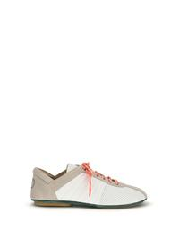 | 8Y2S0M58FFB_9WJ | VALENTINO GARAVANI | SS26 | Sneakers con tomaia bucherellata | BIANCO/BIA/ROCK BE/GREEN BRIAR//EMERAL-M | UOMO | SCARPE | SNEAKERS | € 326.00 | € 750.00 | € 0.00 | € 0.00 | TOTAL QUANTITY | 40 | 40.5 | 41 | 41.5 | 42 | 42.5 | 43 | 43.5 | 44 | 45 | 46
 |  |  |  |  |  |  |  |  |  |  |  |  | 16 | 2 | 1 | 2 | 1 | 2 | 1 | 2 | 1 | 2 | 1 | 1
 |  |  |  |  |  |  |  |  |  |  |  |  | 0 | 0 | 0 | 0 | 0 | 0 | 0 | 0 | 0 | 0 | 0 | 0
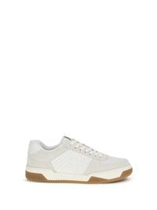 | 8Y2S0M78ZZM_0BO | VALENTINO GARAVANI | SS26 | Sneakers Sparry | BIANCO/BIANCO | UOMO | SCARPE | SNEAKERS | € 343.00 | € 790.00 | € 0.00 | € 0.00 | TOTAL QUANTITY | 40 | 40.5 | 41 | 41.5 | 42 | 42.5 | 43 | 43.5 | 44 | 45 | 46
 |  |  |  |  |  |  |  |  |  |  |  |  | 26 | 2 | 2 | 3 | 2 | 3 | 3 | 3 | 2 | 3 | 2 | 1
 |  |  |  |  |  |  |  |  |  |  |  |  | 0 | 0 | 0 | 0 | 0 | 0 | 0 | 0 | 0 | 0 | 0 | 0
 | 8Y2S0M78ZZM_9V3 | VALENTINO GARAVANI | SS26 | SNEAKER | VALENTINO GARAVANI SPARRY | ROCK BEIGE/ROASTED PECAN/R.PEC/R.PE/IV-A | UOMO | SCARPE | SNEAKERS | € 343.00 | € 790.00 | € 0.00 | € 0.00 | TOTAL QUANTITY | 40 | 40.5 | 41 | 41.5 | 42 | 42.5 | 43 | 43.5 | 44 | 45 | 46
 |  |  |  |  |  |  |  |  |  |  |  |  | 25 | 2 | 2 | 3 | 2 | 2 | 3 | 3 | 2 | 3 | 2 | 1
 |  |  |  |  |  |  |  |  |  |  |  |  | 0 | 0 | 0 | 0 | 0 | 0 | 0 | 0 | 0 | 0 | 0 | 0

 |  |  |  |  |  |  |  |  |  |  |  |  | 505

